Questions
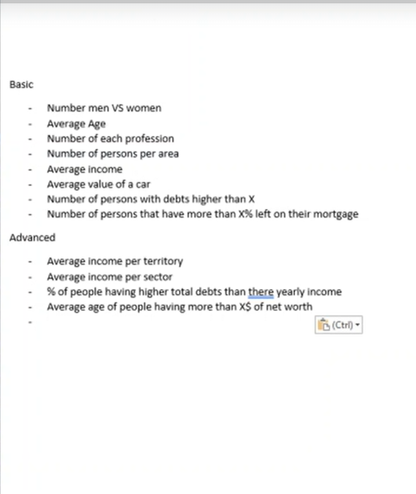

Dashboard Basic
BASIC QUERIES IN EXCEL

1. Number of Men VS Number of Women |  |  | 2. Average Age | 3. Number of person in each Profession

 | Men | Women | 34.96 | Health | Construction | Teaching | IT | General Work | Agriculture
 | 252 | 245 |  | 89 | 89 | 71 | 73 | 83 | 92

MEN vs. WOMEN
 | 252
 | 245
Number of person in each Profession
 | 89
 | 89
 | 71
 | 73
 | 83
 | 92
 |  |  | 5. Average Income

 |  |  | $59,213.93

 |  |  | Average of Car Value

 |  |  | $16,877.29

 |  |  | 7. Number of person with debt higher than Average debt (X)

 |  |  | 431

 |  |  | 8. Number of person that have more than X% left on their mortgage

 |  |  | 432

